SHELL
NITRO MENS PANT |  |  |  |  |  |  | SAMPLE SIZE LARGE / XS-XXL
SEASON: |  | WINTER 2018/2019 |  |  | CONTRACTOR: |  | SOLUNA
STYLE NUMBER: |  | N18-202 |  |  | DATE CREATED: |  | 2017-03-23
STYLE NAME: |  | ALTAI |  |  | DATE REVISED:
WATERPROOF/BREATHABILITY: |  | 20K/25K |  |  | BLOCK: |  | Based on N17-202 ALTAI fit
SEAM SEALING: |  | FULLY SEAM SEALED |  |  | FIT: |  | SLIM FIT
INSULATION: |  | NOT INSULATED |  |  | TARGET FOB:
 | 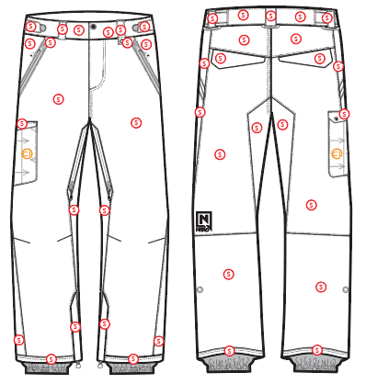
 |  |  |  | COLORWAYS
SHELL FABRIC | SUPPLIER/ REFERENCE NUMBER | LOCATION | CONTENT | COLORWAY 1 | COLORWAY 2 | COLORWAY 3 | COLORWAY 4 | COLORWAY 5
 | Hyperbola / SC670-6 2L | S |  | COLOR
 | Hyperbola / D3357-2 *Stretch panel | C1 |  | COLOR

INSULATION | SUPPLIER/ REFERENCE NUMBER | LOCATION | CONTENT | COLORWAY 1 | COLORWAY 2 | COLORWAY 3 | COLORWAY 4 | COLORWAY 5 | 0
NON INSULATED

SEAM TAPE | SUPPLIER/ REFERENCE NUMBER | LOCATION | CONTENT | COLORWAY 1 | COLORWAY 2 | COLORWAY 3 | COLORWAY 4 | COLORWAY 5 | 0
FULLY SEAM SEALED | TSGS | FULLY SEAM SEALED |  | FULLY SEAM SEALED

LINING | SUPPLIER/ REFERENCE NUMBER | LOCATION | CONTENT | COLORWAY 1 | COLORWAY 2 | COLORWAY 3 | COLORWAY 4 | COLORWAY 5 | 0
SOLID 210T | SOLIS / SONP006-1 | MAIN BODY | 100% NYLON | COLOR
SOLID 210T | SOLIS / SONP006-1 | SECONDARY POCKET BAGS | 100% NYLON | COLOR
SOLID COATED 210T | SOLIS / SONP006-PU03 | LOWER LEG & GAITER | 100% NYLON | COLOR
BRUSHED TRICOT | SUPPLIER / REF CODE | WAISTBAND, FLY, HAND POCKET BAGS | 100% POLYESTER | COLOR
POWER STRETCH MESH | SUPPLIER / REF CODE | LEG VENTS | 100% POLYESTER | COLOR

MEASUREMENTS
NITRO MENS PANT
SEASON: |  | WINTER 2018/2019 |  |  |  |  |  |  | CONTRACTOR: |  |  |  | SOLUNA
STYLE NUMBER: |  | N18-202 |  |  |  |  |  |  | DATE CREATED: |  |  |  | 2017-03-23
STYLE NAME: |  | ALTAI |  |  |  |  |  |  | DATE REVISED:
WATERPROOF/BREATHABILITY: |  | 20K/25K |  |  |  |  |  |  | BLOCK: |  |  |  | Based on N17-202 ALTAI fit
SEAM SEALING: |  | FULLY SEAM SEALED |  |  |  |  |  |  | FIT: |  |  |  | SLIM FIT
INSULATION: |  | NOT INSULATED |  |  |  |  |  |  | TARGET FOB: |  |  |  | $0.00
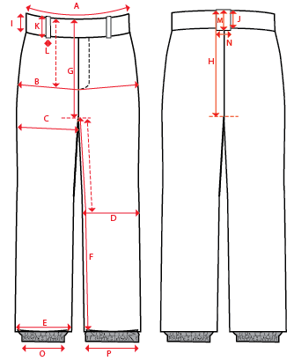
 |  |  |  |  | 1ST PROTO |  |  | 2ND PROTO |  |  | 3RD PROTO |  |  | S/SAMPLE |  |  | PP SAMPLE |  | FINAL
 |  |  |  | DATE: |  |  | DATE: |  |  | DATE: |  |  | DATE: |  |  | DATE:
 |  |  | TOL +/- | INITIAL MEASMNT | SAMPLE MEASURES | REVISE TO | REQUESTED | SAMPLE MEASURES | REVISE TO | REQUESTED | SAMPLE MEASURES | REVISE TO | REQUESTED | SAMPLE MEASURES | REVISE TO | REQUESTED | SAMPLE MEASURES | REVISE TO | APPROVED MEASMNTS
A | WAIST WIDTH |  | 0.25 | 18.5
B | HIP -7" DOWN FROM TOP EDGE OF WAIST TOP EDGE |  | 0.25 | 21.75
C | THIGH - 1" BELOW CROTCH |  | 0.25 | 13.75
D | KNEE -XS-13", S - 13.5", M-14", L-14.5" DOWN FROM CROTCH |  | 0.25 | 9.5
E | HEM OPENING |  | 0.25 | 11
F | INSEAM - FROM CENTER OF CROTCH |  | 0.25 | 33.5
G | FRONT RISE to crotch seam - INCL WAIST BAND |  | 0.125 | 12
H | BACK RISE to crotch seam- INCL WAIST BAND |  | 0.125 | 17.25
I | CF WAIST BAND HEIGHT |  | 0.125 | 2
J | CB WAIST BAND HEIGHT |  | 0.125 | 2
K | BELT LOOP LENGTH |  | 0.125 | 2.25
 | LEFT BELT LOOP LENGTH |  | 0.125 | 3
L | BELT LOOP WIDTH |  | 0.125 | 1
M | CB BELT LOOP LENGTH |  | 0.125 | 2.25
N | CB BELT LOOP WIDTH |  | 0.125 | 1.5
O | STORM CUFF RELAXED |  | 0.25 | 7.5
P | STORM CUFF STRETCHED |  | 0.25 | 12.5
ZIPPERS | FLY |  | 0.125 | 6
 | HAND POCKETS |  | 0.125 | 7
 | BACK POCKETS HORIZONTAL |  | 0.125 | 5.5
 | CARGO POCKET HORIZONTAL |  | 0.125 | 6.5
 | THIGH VENT |  | 0.125 | 10
 | HEM GUSSET |  | 0.125 | 7

COMMENTS
NITRO MENS PANT
SEASON: |  | WINTER 2018/2019 | CONTRACTOR: | SOLUNA
STYLE NUMBER: |  | N18-202 | DATE CREATED: | 2017-03-23
STYLE NAME: |  | ALTAI | DATE REVISED: | 0
WATERPROOF/BREATHABILITY: |  | 20K/25K | BLOCK: | Based on N17-202 ALTAI fit
SEAM SEALING: |  | FULLY SEAM SEALED | FIT: | SLIM FIT
INSULATION: |  | NOT INSULATED | TARGET FOB: | $0.00

STATUS: |  | DATE SENT:
 |  | NOT APPROVED FOR S/SAMPLES; SUBMIT A 2nd PROTO SAMPLE (subject to revisions)
 |  | NOT APPROVED FOR S/SAMPLES; SUBMIT A 3rd PROTO SAMPLE (subject to revisions)
 |  | NOT APPROVED FOR S/SAMPLES; SUBMIT A MOCK UP (subject to revisions)
 |  | APPROVED FOR S/SAMPLES (subject to revisions)
 |  | NOT APPROVED FOR PRODUCTION; SUBMIT A P/P SAMPLE (subject to revisions)
 |  | APPROVED FOR PRODUCTION (subject to revisions)
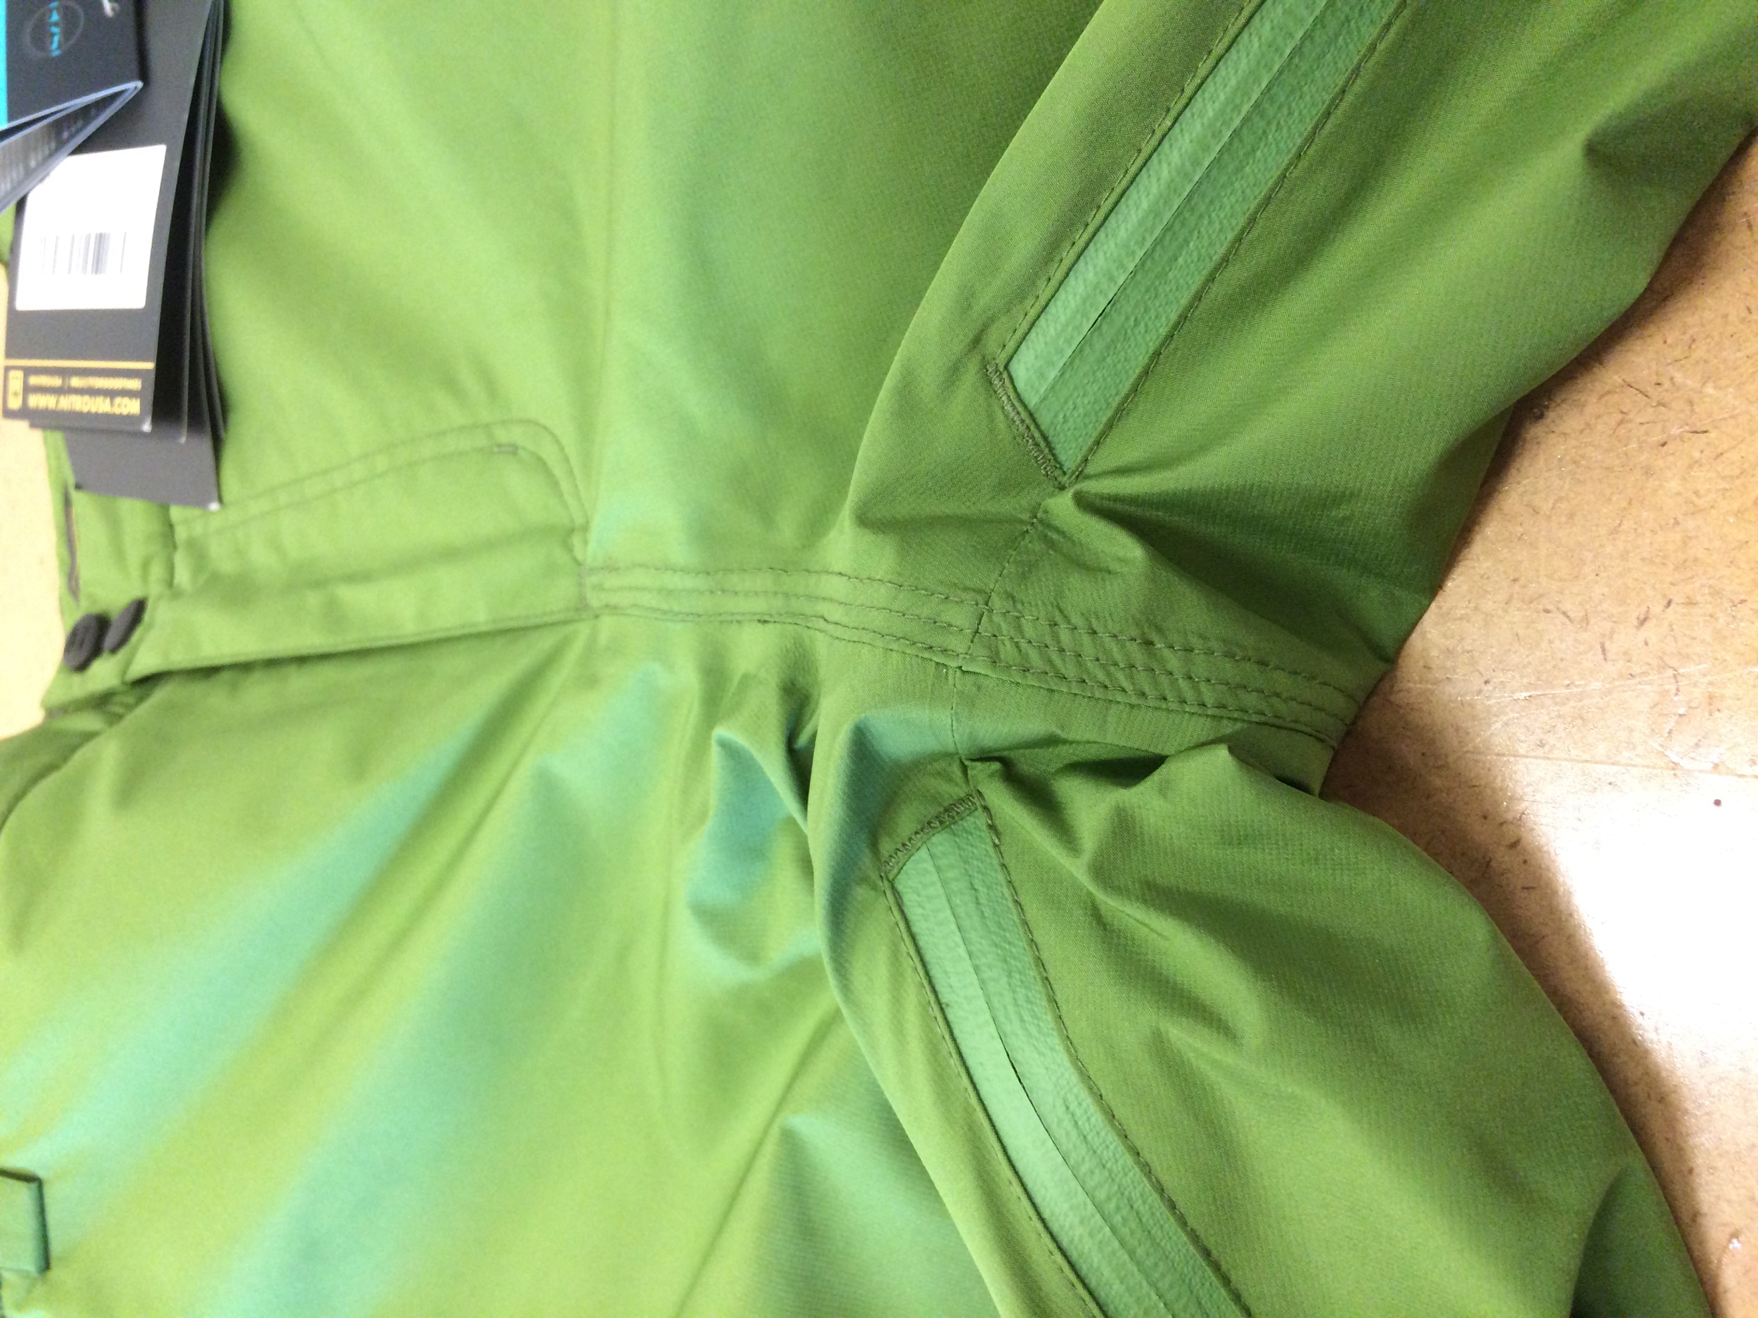
 | note for Laurie & Allison: Fit is based on N17-202 ALTAI with minor tweaks

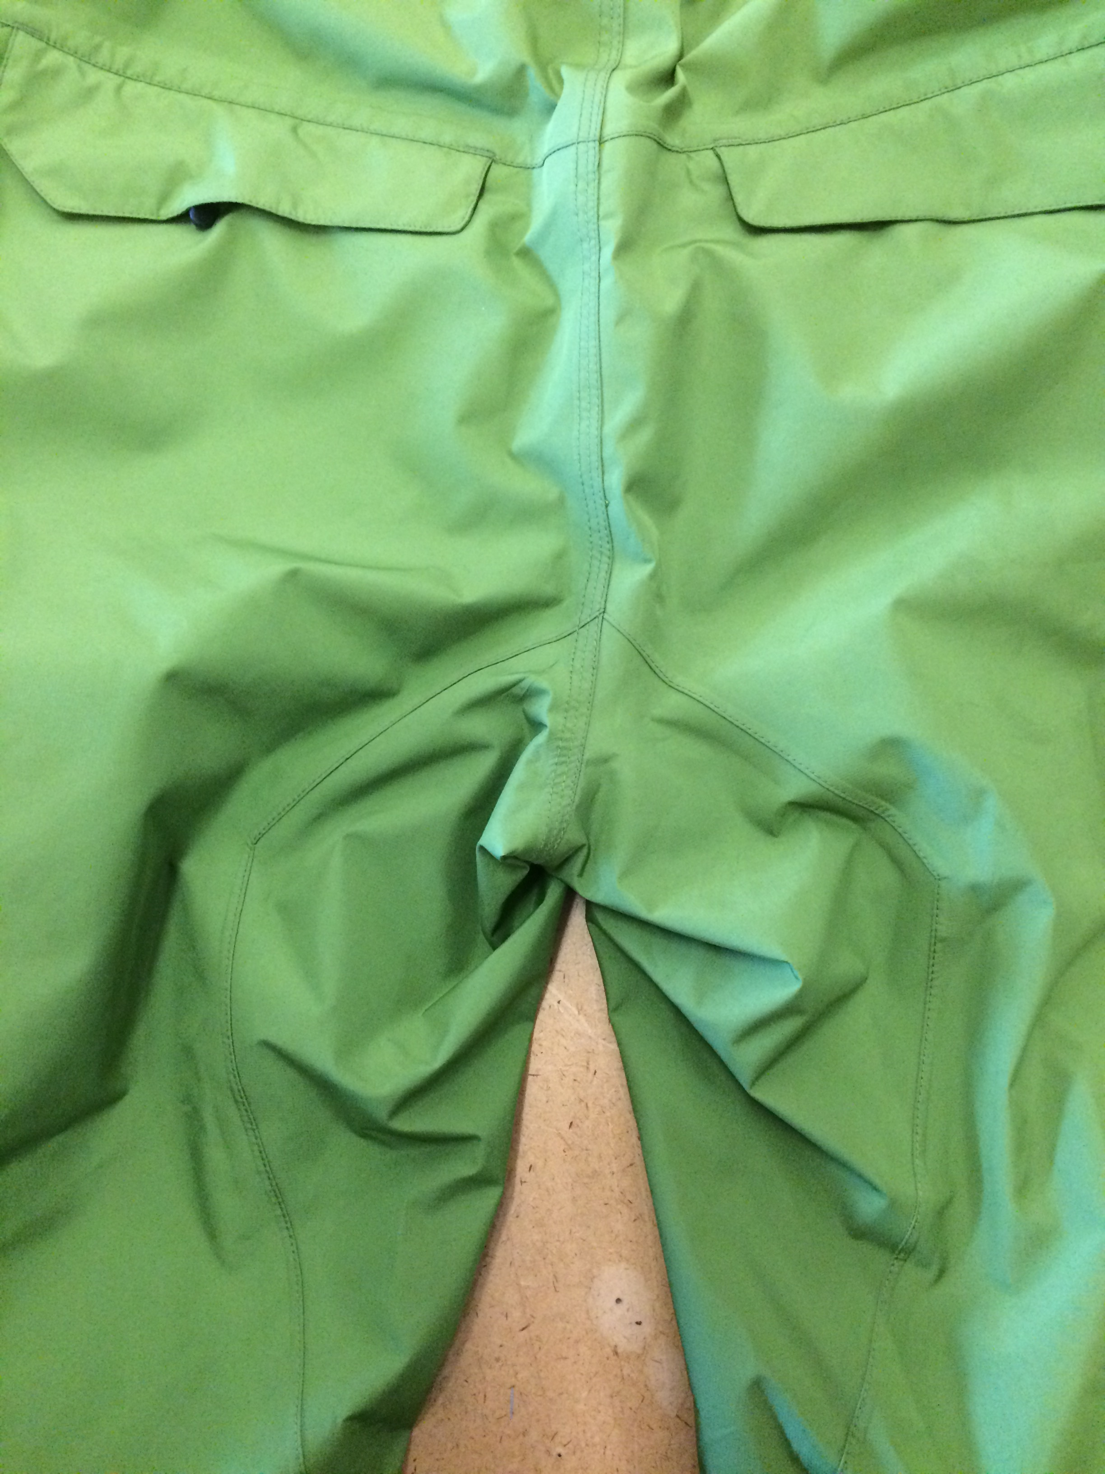
2017-03-23 | >NOTE THAT FOR THIS STYLE THE MEASUREMENT FOR THE FRONT RISE IS TO THE CROTCH SEAM.
 | >THERE IS NO CROTCH GUSSET ON THIS STYLE.
 | THERE IS A SEAM ON THE BACK BUM THAT CREATES A PANEL THAT MEETS AT THE CROTCH SEAM.
 | SEE PHOTOS BELOW.
 | WE CAN SEND MORE PHOTOS
 | OR WE CAN SEND A SAMPLE TO HELP EXPLAIN IF NEEDED.

